Welcome
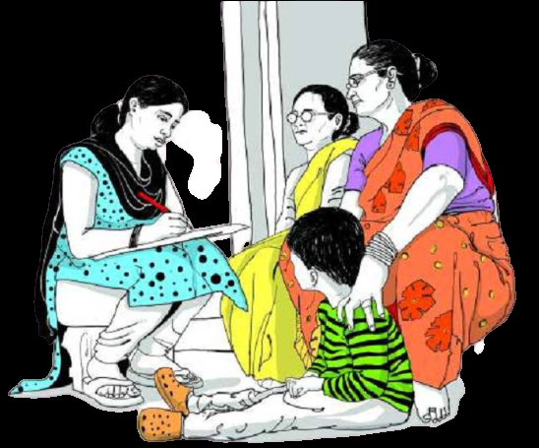 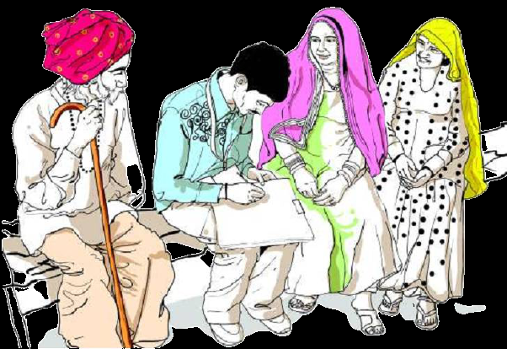

Primary Census Abstract 2011 - India and States

INT 217:- INTRODUCTION TO DATA MANAGEMENT

Annavarapu Ganesh
12005627
KM080/08

Home
 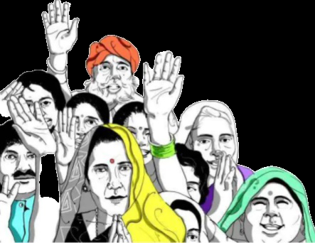

OBJECTIVES
ANALYSIS RESULT
DATA SET

OBJECTIVES
OBJECTIVES

OBJECTIVE-3
OBJECTIVE-5
OBJECTIVE-1
OBJECTIVE-2
OBJECTIVE-4

Total Worker's population state , area & Gender Wise.
Culitivator population country wise with state's , Area & Gender wise.
Agricultural Labourer Population State's wise , Area & Gender Wise.
No of Households Acoording to state wise , Rural & Urban Area Wise.
Total Population state , Area &
Gender wise.

ADDITIONAL OBJECTIVES

Dashbord
Household
 | Rural | Total | Urban
Total | 337130972 | 498908504 | 161777532
Worker Population
 | Sum of Total Worker Population | Sum of Total Worker Population Male | Sum of Total Worker Population Female
Total | 1926973244 | 1327463720 | 599509524
Population
 | Sum of Total Population | Sum of Total Population Male | Sum of Total Population Female
Total | 4842278292 | 2492487372 | 2349790920

male | 51%
female | 49%
51%

male | 51%
female | 49%
49%

Cultivator Population
 | Sum of Cultivator Population | Sum of Cultivator Population Male | Sum of Cultivator Population Female
Total | 383365428 | 292072420 | 91293008
Household Industries Population
 | Sum of Household Industries Population | Sum of Household Industries Population Male | Sum of Household Industries Population Female
Total | 49325856 | 30160484 | 19165372
Agricultural Labour Population
 | Sum of Agricultural Labourers Population | Sum of Agricultural Labourers Population Male | Sum of Agricultural Labourers Population Female
Total | 344667484 | 221019708 | 123647776

Literate Vs Illetrate
 | Sum of Literates Population | Sum of Illiterate Population | Sum of Literates Population Male | Sum of Illiterate Male | Sum of Literates Population Female | Sum of Illiterate Female
Total | 3053994068 | 1788284224 | 1738735116 | 753752256 | 1315258952 | 1034531968
Working vs Non Working
 | Sum of Working Population | Sum of Non Working Population | Sum of Working Population Male | Sum of Non Working Population Male | Sum of Working Population Female | Sum of Non Working Population Female
Total | 1449785680 | 2915305048 | 1092597436 | 1165023652 | 357188244 | 1750281396
 | Working
Total | 30%
male | 44%
female | 15%
percentage literate/total
 | percentage | percentage
total | 63% | 37% | 56% | 56% | 56%
male | 70% | 30%
female | 56% | 44%

illetrate/total
 | illetrate
 | 37%
 | 30%
 | 44%
 | Non-Working
 | 60%
 | 47%
 | 74%

OB 1
State Name | (All)

 | Column Labels
 | Rural | Total | Urban | Grand Total
Sum of No of Households | 337130972 | 498908504 | 161777532 | 997817008

OB 2
State Name | (All)
Area | Total

Sum of Total Population | Sum of Total Population Male | Sum of Total Population Female
2421139146 | 1246243686 | 1174895460
51%

 |  |  | Percentage
 |  |  | Male | Female
 |  |  | 51% | 49%

49%

OB 3
State Name | (All)
Area | Total

Sum of Total Worker Population | Sum of Total Worker Population Male | Sum of Total Worker Population Female
963486622 | 663731860 | 299754762

OB 4
State Name | (All)
Area | (All)

Sum of Cultivator Population | Sum of Cultivator Population Male | Sum of Cultivator Population Female
383365428 | 292072420 | 91293008

OB 5
State Name | (All)
Area | (All)

Sum of Agricultural Labourers Population | Sum of Agricultural Labourers Population Male | Sum of Agricultural Labourers Population Female
344667484 | 221019708 | 123647776

OB 6
State Name | (All)
Area | (All)

Sum of Household Industries Population | Sum of Household Industries Population Male | Sum of Household Industries Population Female
49325856 | 30160484 | 19165372

OB 7
State Name | (All)
Area | (All)

Sum of Literates Population | Sum of Illiterate Population | Sum of Literates Population Male | Sum of Illiterate Male | Sum of Literates Population Female | Sum of Illiterate Female
3053994068 | 1788284224 | 1738735116 | 753752256 | 1315258952 | 1034531968

 |  |  |  |  | Percentage
 |  |  |  |  | literate | Illiterate
 |  |  |  | Total | 126% | 74%
 |  |  |  | Male | 140% | 60%
 |  |  |  | Female | 112% | 88%

OB 8
State Name | (All)
Area | (All)

Sum of Working Population | Sum of Non Working Population | Sum of Working Population Male | Sum of Non Working Population Male | Sum of Working Population Female | Sum of Non Working Population Female
1449785680 | 2915305048 | 1092597436 | 1165023652 | 357188244 | 1750281396

 |  |  |  |  | percentage
 |  |  |  |  | Working | Non Working
 |  |  |  | Total | 60% | 120%
 |  |  |  | Male | 88% | 93%
 |  |  |  | Female | 30% | 149%

END


rough sheet
 | No of Households
Total | 249454252
Rural | 168565486
Urban | 80888766
 | Total Population Male | Total Population Female
India | 623121843 | 587447730

 | Agricultural Labourers Population | Agricultural Labourers Population Male | Agricultural Labourers Population Female
Total | 86166871 | 55254927 | 30911944
Rural | 80958300 | 51639066 | 29319234
Urban | 5208571 | 3615861 | 1592710
Literate and illiterate population
 | Literates Population | Illiterate Population
India | 763498517 | 447071056

 | Cultivator Population
Total | 95841357
Rural | 92737696
Urban | 3103661
Non Working population in rural and urban areas
 | Non Working Population | Non Working Population Male | Non Working Population Female
Total | 728826262 | 291255913 | 437570349
Rural | 484865913 | 200869575 | 283996338
Urban | 243960349 | 90386338 | 153574011

